Sheet1
 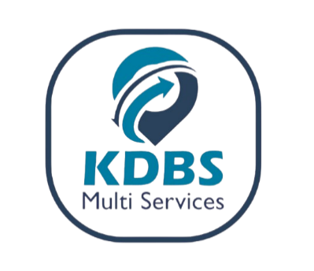
PROFORMA INVOICE
Office line: 0394001400

Country: UGANDA |  |  | FERI/AD: 2025TSLTZ1552479 |  |  | 2025-09-08

DEBTOR: KASEREKA MALIYAMKONO BENEDICTION

IMPORTER : KASEREKA MALIYAMKONO BENEDICTION
CERTIFICATE (FERI/ADR/AD) No : 2025TSLTZ1552479

Description | Unit | Quantity | Per Unit Cost | Total Amount | Exchange Rate | Total Amount (UGX SHS)
EGLV143554732221 | CBM/ Container size | 60 | € 1.00 | € 60.00 | UGX 3,800.00 | UGX 228,000.00
 | No. of Entries | 1 | € 40.00 | € 40.00 | UGX 3,800.00 | UGX 152,000.00
SUB-TOTAL EURO |  |  |  | € 100.00
AD (CERTIFICATE OF DESTINATION) | No. of Entries | 1 | $20.00 | $20.00 | UGX 3,700.00 | UGX 74,000.00
TRANSPORTER DRC FREIGHT TAX (1.8% of freight cost) | Freight Cost | $250.00 | 1.80% | $4.50 | UGX 3,700.00 | UGX 16,650.00
SUB-TOTAL USD |  |  |  | $24.50 | UGX 3,700.00 | UGX 90,650.00
DISCOUNT APPLIED |  |  |  | $0.00 | UGX 3,700.00 | UGX -
GRAND TOTAL |  |  |  | $128.50 | UGX 3,700.00 | UGX 470,650.00
EXCHANGE RATES ARE BASED ON THE DAILY CENTRAL BANK OF UGANDA &ECB RATES For Reference visit: www.bou.or.ug

UBA BANK (UGX) - 0253002189 (KDBS MULTI-SERVICES LIMITED)
UBA BANK (USD) - 0253002196 (KDBS MULTI-SERVICES LIMITED)
MTN MERCHANT- 407323 (KDBS MULTI-SERVICES LIMITED)

AIRTEL MERCHANT - 4395021 (KDBS MULTI-SERVICES LIMITED)

EQUITY BANK (UGX) - 1044203459111 (KDBS MULTI-SERVICES LIMITED)

EQUITY BANK (USD) - 1044203459156 (KDBS MULTI-SERVICES LIMITED)

